leukaemia_m17
Leukaemia (C91-C95): 2015-2017

Average Number of Deaths Per Year and Age-Specific Mortality Rates per 100,000 Population, UK

Age Range | Female Deaths | Male Deaths | Female Rates | Male Rates
0 to 04 | 8 | 11 | 0.4 | 0.6
05 to 09 | 6 | 12 | 0.3 | 0.6
10 to 14 | 7 | 9 | 0.4 | 0.5
15 to 19 | 9 | 13 | 0.5 | 0.7
20 to 24 | 10 | 16 | 0.5 | 0.7
25 to 29 | 10 | 15 | 0.4 | 0.7
30 to 34 | 14 | 15 | 0.6 | 0.7
35 to 39 | 12 | 17 | 0.6 | 0.8
40 to 44 | 19 | 21 | 0.9 | 1.0
45 to 49 | 35 | 36 | 1.5 | 1.6
50 to 54 | 38 | 71 | 1.6 | 3.1
55 to 59 | 63 | 89 | 3.1 | 4.4
60 to 64 | 99 | 162 | 5.5 | 9.3
65 to 69 | 168 | 298 | 9.1 | 17.2
70 to 74 | 237 | 423 | 15.7 | 30.6
75 to 79 | 283 | 482 | 24.2 | 48.5
80 to 84 | 347 | 501 | 37.9 | 72.1
85 to 89 | 328 | 370 | 53.6 | 97.3
90+ | 242 | 192 | 60.7 | 112.3
All Ages | 1,935 | 2,753 | 5.6 | 10.4

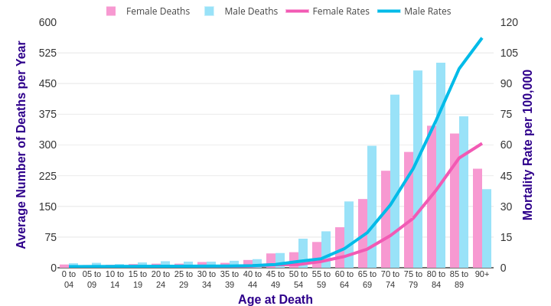

Source: cruk.org/cancerstats

You are welcome to reuse this Cancer Research UK statistics content for your own work.
Credit us as authors by referencing Cancer Research UK as the source.
Suggested style: Cancer Research UK, full URL of the page, Accessed [month] [year].

